SALESMAN VLOOKUP HW
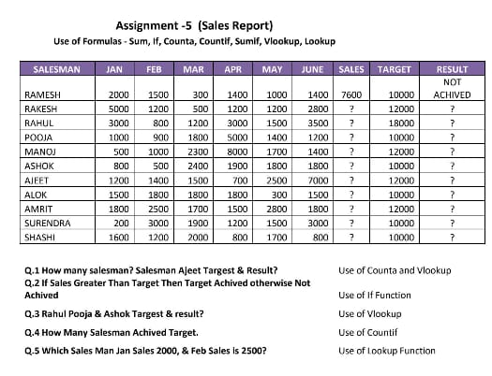
SALESMAN | JAN | FEB | MAR | APR | MAY | JUNE | SALES | TARGET | RESULT
RAMESH | 2000 | 1500 | 300 | 1400 | 1000 | 1400 | 7600 | 10000 | NOT ACHIVED
RAKESH | 5000 | 1200 | 500 | 1200 | 1200 | 2800 | 11900 | 12000 | NOT ACHIVED
RAHUL | 3000 | 800 | 1200 | 3000 | 1500 | 3500 | 13000 | 18000 | NOT ACHIVED
POOJA | 1000 | 900 | 1800 | 5000 | 1400 | 1200 | 11300 | 10000 | ACHIVED
MANOJ | 500 | 1000 | 2300 | 8000 | 1700 | 1400 | 14900 | 12000 | ACHIVED
ASHOK | 800 | 500 | 2400 | 1900 | 1800 | 1800 | 9200 | 10000 | NOT ACHIVED
AJEET | 1200 | 1400 | 1500 | 700 | 2500 | 7000 | 14300 | 12000 | ACHIVED
ALOK | 1500 | 1800 | 1800 | 1800 | 300 | 1500 | 8700 | 10000 | NOT ACHIVED
AMRIT | 1800 | 2500 | 1700 | 1500 | 2800 | 1800 | 12100 | 12000 | ACHIVED
SURENDRA | 200 | 3000 | 1900 | 1200 | 1500 | 3000 | 10800 | 10000 | ACHIVED
SHASHI | 1600 | 1200 | 2000 | 800 | 1700 | 800 | 8100 | 10000 | NOT ACHIVED
TOTLE NO OF SALESMAN | 11
SALESMAN WITH ACHIVED | 5

SALESMAN | AJEET | RAHUL | POOJA | ASHOK |  | SALES | 2000 | 2500
TARGET | 12000 | 18000 | 10000 | 10000 |  | MONTH | JAN | FEB
RESULT | ACHIVED | NOT ACHIVED | ACHIVED | NOT ACHIVED |  | NAME

